low inoculum (killing rates)
...
Killing rates
 | 0-0.5 h | 0-1h | 0-2h | 0-4h
0.0
0.5
1.0
2.0
4.0
8.0
16.0
32.0
1 MIC | 2 MIC | 4 MIC | 8 MIC | 16 MIC | 32 MIC
...
1.0 | 2.0 | 4.0 | 8.0 | 16.0 | 32.0
...

high inoculum (killing rates)
...
Killing rates
 | 0-0.5 h | 0-1h | 0-2h | 0-4h
0.0
1.0
4.0
8.0
16.0
32.0
64.0
128.0
4 CMI | 8 CMI | 16 CMI | 32 CMI | 64 CMI | 128 CMI
...
4.0 | 8.0 | 16.0 | 32.0 | 64.0 | 128.0
...

low ino(bactericidal effects)
Effects (AUC)
 | AUC0-24
0.0
0.5
1.0
2.0
4.0
8.0
16.0
32.0
...
 | 2 MIC | 4 MIC | 8 MIC | 16 MIC | 32 MIC
...
Effects (%)
 | AUC0-24
0.0
0.5
1.0
2.0
4.0
8.0
16.0
32.0
1.0 | 2.0 | 4.0 | 8.0 | 16.0 | 32.0
...
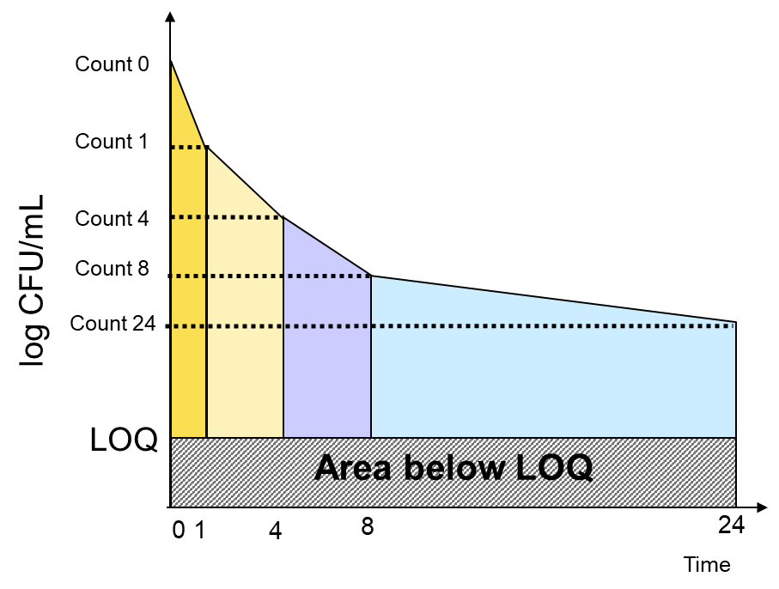
...
36.44 | 36.44 | 36.44 | 36.44 | 36.44 | 36.44
...
Effects (reduction of inoculum)
0.0
0.5
1.0
2.0
4.0
8.0
16.0
32.0

high ino(bactericidal effect)
Effects (AUC)
 | AUC0-24
0.0
1.0
4.0
8.0
16.0
32.0
64.0
128.0
...
 | 8 CMI | 16 CMI | 32 CMI | 64 CMI | 128 CMI
...
Effects (%)
 | 36.44
0.0
1.0
4.0
8.0
16.0
32.0
64.0
128.0
4.0 | 8.0 | 16.0 | 32.0 | 64.0 | 128.0
...
36.44 | 36.44 | 36.44 | 36.44 | 36.44 | 36.44
...
Effects (reduction of inoculum)
0.0
1.0
4.0
8.0
16.0
32.0
64.0
128.0

low inoculum (raw data only)
...
#VALUE! |  | 1 | 0.00E+00 | 1 | 0.00E+00 | 0.00E+00 | 0.00E+00 | 0.00E+00 | 0.00E+00 | 0.00E+00 | 0.00E+00 | 0.00E+00
#VALUE! |  | 2 | 0.00E+00 | 2 | 0.00E+00 | 0.00E+00 | 0.00E+00 | 0.00E+00 | 0.00E+00 | 0.00E+00 | 0.00E+00 | 0.00E+00
#VALUE! | #VALUE! | 4 | 0.00E+00 | 4 | 0.00E+00 | 0.00E+00 | 0.00E+00 | 0.00E+00 | 0.00E+00 | 0.00E+00 | 0.00E+00 | 0.00E+00
#VALUE! |  | 6 | 0.00E+00 | 6 | 0.00E+00 | 0.00E+00 | 0.00E+00 | 0.00E+00 | 0.00E+00 | 0.00E+00 | 0.00E+00 | 0.00E+00
6.00E+04 |  | 8 | 0.00E+00 | 8 | 0.00E+00 | 0.00E+00 | 0.00E+00 | 0.00E+00 | 0.00E+00 | 0.00E+00 | 0.00E+00 | 0.00E+00
8.00E+04 | 7.00E+04 | 24 | 0.00E+00 | 24 | 0.00E+00 | 0.00E+00 | 0.00E+00 | 0.00E+00 | 0.00E+00 | 0.00E+00 | 0.00E+00 | 0.00E+00
7.00E+04
3.00E+05
1.00E+05 | 1.67E+05
1.00E+05
 | 0 | 0.5 MIC | 1 MIC | 2 MIC | 4 MIC | 8 MIC | 16 MIC | 32 MIC
0 | 0.00E+00 | 0.00E+00 | 0.00E+00 | 0.00E+00 | 0.00E+00 | 0.00E+00 | 0.00E+00 | 0.00E+00
0.5 | 0.00E+00 | 0.00E+00 | 0.00E+00 | 0.00E+00 | 0.00E+00 | 0.00E+00 | 0.00E+00 | 0.00E+00
1 | 0.00E+00 | 0.00E+00 | 0.00E+00 | 0.00E+00 | 0.00E+00 | 0.00E+00 | 0.00E+00 | 0.00E+00
2 | 0.00E+00 | 0.00E+00 | 0.00E+00 | 0.00E+00 | 0.00E+00 | 0.00E+00 | 0.00E+00 | 0.00E+00
4 | 0.00E+00 | 0.00E+00 | 0.00E+00 | 0.00E+00 | 0.00E+00 | 0.00E+00 | 0.00E+00 | 0.00E+00
6 | 0.00E+00 | 0.00E+00 | 0.00E+00 | 0.00E+00 | 0.00E+00 | 0.00E+00 | 0.00E+00 | 0.00E+00
8 | 0.00E+00 | 0.00E+00 | 0.00E+00 | 0.00E+00 | 0.00E+00 | 0.00E+00 | 0.00E+00 | 0.00E+00
24 | 0.00E+00 | 0.00E+00 | 0.00E+00 | 0.00E+00 | 0.00E+00 | 0.00E+00 | 0.00E+00 | 0.00E+00
0.00E+00
0.00E+00 | 3.33E+05
1.00E+06
0.00E+00
0.00E+00 | 0.00E+00
0.00E+00
0.00E+00
0.00E+00 | 0.00E+00
0.00E+00
0.00E+00
0.00E+00 | 0.00E+00
0.00E+00
0.00E+00
0.00E+00 | 0.00E+00
0.00E+00
0.00E+00
0.00E+00 | 0.00E+00
0.00E+00
0.00E+00
0.00E+00 | 0.00E+00
0.00E+00
0.00E+00
0.00E+00 | 0.00E+00
0.00E+00
0.00E+00
0.00E+00 | 0.00E+00
...

